Location Plan & Summary
Intelligent Data Collection Limited

Client: | Bristol City Council |  |  | Date of Survey: |  | 09.07.2015
Project Number: | ID02343 |  |  | Site Name: |  | Belton Road
Site Number: | ATC Site 5 |  |  | Survey Type: |  | Two-way Link Count

X Coordinate |  | Y Coordinate |  |  | Google Maps Link
51.463892 |  | -2.568101 |  |  | Click Here
AM Peak Conditions |  | Inter-Peak Conditions |  |  | PM Peak Conditions
Clear and Sunny |  | Clear and Sunny |  |  | Clear and Sunny
Junction Layout

N

 |  |  |  |  |  | Arm B - Chaplin Road (NW)

 |  |  | Arm A - Bannerman Road (SE)

Aerial Mapping and On-site Camera View
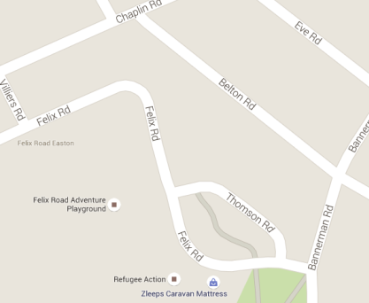
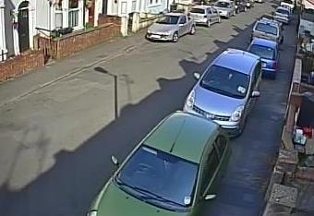
Arm B - Chaplin Road (NW)

Arm A - Bannerman Road (SE)

Junction Flow Profile
Arm Approach Flows (All Vehicles)
 | A to B (North- Westbound) | B to A (South- Eastbound) | Two-way Total
7:00:00 | 0 | 0 | 0
7:15:00 | 6 | 1 | 7
7:30:00 | 3 | 6 | 9
7:45:00 | 3 | 3 | 6
8:00:00 | 5 | 5 | 10
8:15:00 | 5 | 8 | 13
8:30:00 | 9 | 10 | 19
8:45:00 | 5 | 4 | 9
9:00:00 | 3 | 5 | 8
9:15:00 | 2 | 4 | 6
9:30:00 | 4 | 3 | 7
9:45:00 | 2 | 4 | 6
10:00:00 | 5 | 4 | 9
10:15:00 | 5 | 3 | 8
10:30:00 | 1 | 2 | 3
10:45:00 | 3 | 3 | 6
11:00:00 | 6 | 3 | 9
11:15:00 | 1 | 2 | 3
11:30:00 | 2 | 3 | 5
11:45:00 | 2 | 4 | 6
12:00:00 | 21 | 1 | 22
12:15:00 | 2 | 4 | 6
12:30:00 | 4 | 3 | 7
12:45:00 | 3 | 2 | 5
13:00:00 | 2 | 4 | 6
13:15:00 | 3 | 6 | 9
13:30:00 | 5 | 5 | 10
13:45:00 | 0 | 4 | 4
14:00:00 | 4 | 3 | 7
14:15:00 | 4 | 5 | 9
14:30:00 | 5 | 8 | 13
14:45:00 | 4 | 6 | 10
15:00:00 | 5 | 7 | 12
15:15:00 | 3 | 8 | 11
15:30:00 | 4 | 4 | 8
15:45:00 | 7 | 4 | 11
16:00:00 | 5 | 5 | 10
16:15:00 | 5 | 2 | 7
16:30:00 | 5 | 4 | 9
16:45:00 | 11 | 4 | 15
17:00:00 | 5 | 4 | 9
17:15:00 | 5 | 6 | 11
17:30:00 | 5 | 5 | 10
17:45:00 | 7 | 5 | 12
18:00:00 | 4 | 7 | 11
18:15:00 | 5 | 8 | 13
18:30:00 | 4 | 6 | 10
18:45:00 | 6 | 1 | 7

Additional Notes (Factors which may impact on survey results such as accidents, roadworks, special events):

